Sheet1
Personal Work Log

Nikkolas Diehl - 16945724

Total Hours Spent on the Computer Graphics Assignement 1: 17 |  |  |  |  |  | Number of Logs: 7

Date | Hours | Difficulty with task |  |  | What did I learn | Personal Reflection Of Events During This Time
 |  | Easy | Moderate | Hard
2019-04-01 | 2 |  |  |  | Camera coding, lighting coding and setting up a 3D environemnt | Today I spent the majority of the time working on the 3D environment set up. Connected camer and even listeners and lightning

2019-04-03 | 3 |  |  |  | __ | 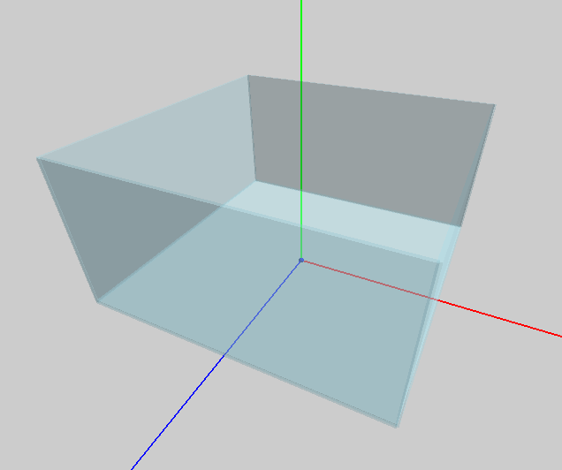 Spent the entire time setting up the tank. It uses 5 cubes that are all scaled by the same variables. 4 of them act as walls, and 1 of them is the floor that is lower down. I also added debugging functionality to scale and change the size of the tank at will

2019-04-08 | 1 |  |  |  | __ | Worked more on the tank and scaling so it was working correctly. I had not gotten it working before but now it was working

2019-04-10 | 2 |  |  |  | __ | 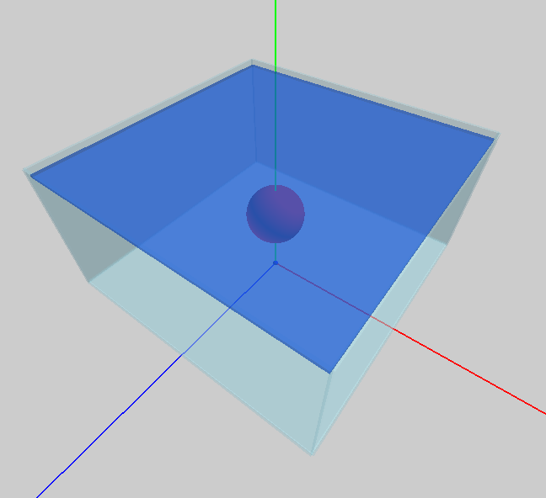 Finished off the tank and started the fish. It has a weird bug through where you can see through it. Also got the water top surface working and scaling correctly to the tank so that it looks like it's inside the tank.

2019-04-14 | 3 |  |  |  | __ | 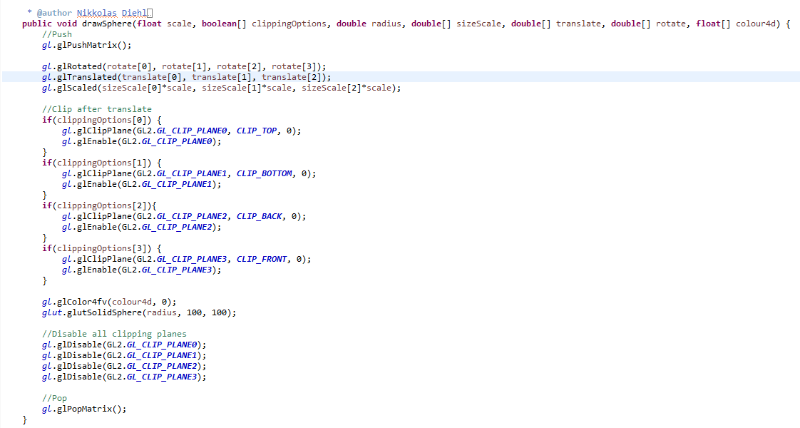 Fixed up the water so that it was no longer a cube but rather a normal GL_QUADS. This was because I didn't find the cube to be very realistic since the water only sat on the top and somehow had a thickness. I then made the sphere function that I developed alot more modular and got it ready for clipping plane control and sizing. I also replicated the same modularity in a new cylinder function that used glu.gluCylinder()

2019-04-14 | 3 |  |  |  | __ | 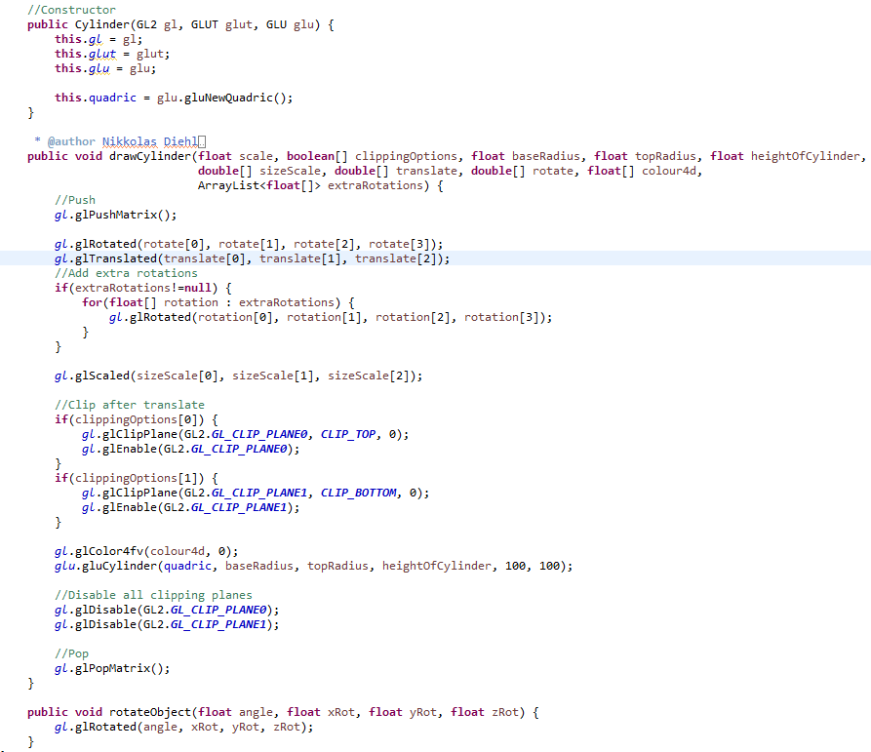 Worked on redesigning my fish. I finally decided on going with an actual whale that would swim around and randomly jump. I also decided how I wanted to animate the jumping and swimming but would still need to plan it out.

2019-04-14 | 3 |  |  |  | __ | Worked more on redesigning my fish. Once I had all the modularity down pat, I finally started working on a hirachical model of my fish. This took a while to plan out as I had some bugs such as rotation, scaling and translation having to go in a very specific order in order for the modularity to still work perfectly and be easy to use. I made good progress on my whale as well. I got the bottom of its body, the front of its mouth and the teeth all properly placed and scaled correctly and all of them moved, rotated and scaled off of one single position value

